PCA
Principal Component Analysis (PCA)

 | - | One of the widely used dimensionality reduction method
 | - | Transform a large set of variables into a smaller ones, that still contains most of the information in the large set
 | - | Reducing the number of variables of a data set naturally reduces the accuracy
 | - | Trick in dimensionality reduction is to trade a little accuracy for simplicity

Simple 5 Steps:
 |  | 1 | Standardize the range of continuous initial variables using the scaling
 |  | 2 | Compute the covariance matrix to identify correlations
 |  | 3 | Compute the eigenvectors and eigenvalues of the covariance matrix to identify the principal components
 |  | 4 | Create a feature vector to decide which principal components to keep
 |  | 5 | Recast the data along the principal components axes

1 | Standardize the range of continuous initial variables - scaling

 |  |  |  |  | Once the standardization is done, all the variables will be transformed to the same scale
 |  |  |  |  | A z-score describes the position of a raw score in terms of its distance from the mean, when measured in standard deviation units.
2 | Compute the covariance matrix to identify correlations
 |  |  |  |  |  | understand how the variables of the input data set are varying from the mean with respect to each other
 |  |  |  |  |  | to see if there is any relationship between them
 |  |  |  |  |  | variables can be highly correlated in such a way that they contain redundant information
 |  |  |  |  |  | covariance matrix has entries with covariances associated with all possible pairs of the initial variables
 |  |  |  |  |  | covariance of a variable with itself is its variance - and hence the varainace of each varaible Is given in the diagonal

 |  | if positive then : the two variables increase or decrease together (correlated)
 |  | if negative then : One increases when the other decreases (Inversely correlated)

3 | Compute the eigenvectors and eigenvalues of the covariance matrix to identify the principal components
 |  | Eigenvectors and eigenvalues are the linear algebra concepts
 |  | Principal components are new variables that are constructed as linear combinations or mixtures of the initial variables
 |  | Such combinations are done in such a way that the new variables (i.e., principal components) are uncorrelated and most of the information within the initial variables is squeezed or compressed into the first components
 |  |  | eg: | 10-dimensional data gives you 10 principal components
 |  |  |  | PCA tries to put maximum possible information in the first component, then maximum remaining information in the second and so on
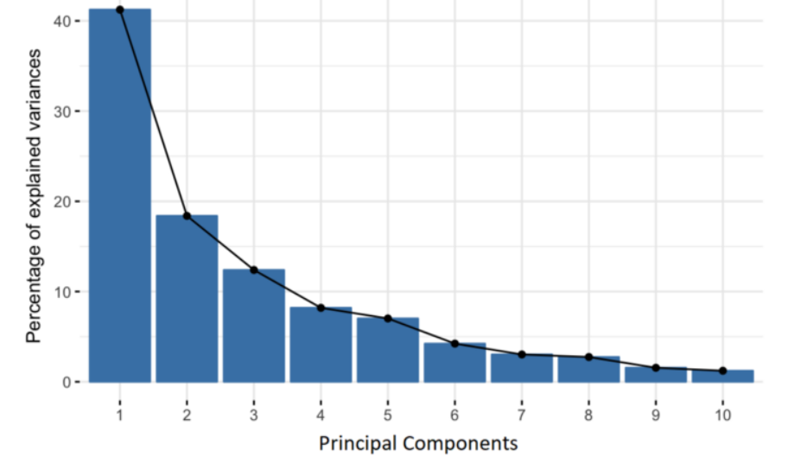

 |  |  |  |  |  |  | principal components are constructed in such a manner that the first principal component accounts for the largest possible variance in the data set

 |  |  |  |  |  |  | computing the eigenvectors and ordering them by their eigenvalues in descending order, allow us to find the principal components in order of significance

4 | Create a feature vector to decide which principal components to keep
 | choose whether to keep all the principle components or discard those of lesser significance (of low eigenvalues)
 | form with the remaining ones a matrix of vectors that we call Feature vector
 | feature vector is simply a matrix that has as columns the eigenvectors of the components that we decide to keep
 | his makes it the first step towards dimensionality reduction

5 | Recast the data along the principal components axes
 | use the feature vector formed using the eigenvectors of the covariance matrix, to reorient the data from the original axes to the ones represented by the principal components
 | done by multiplying the transpose of the original data set by the transpose of the feature vector

Concept
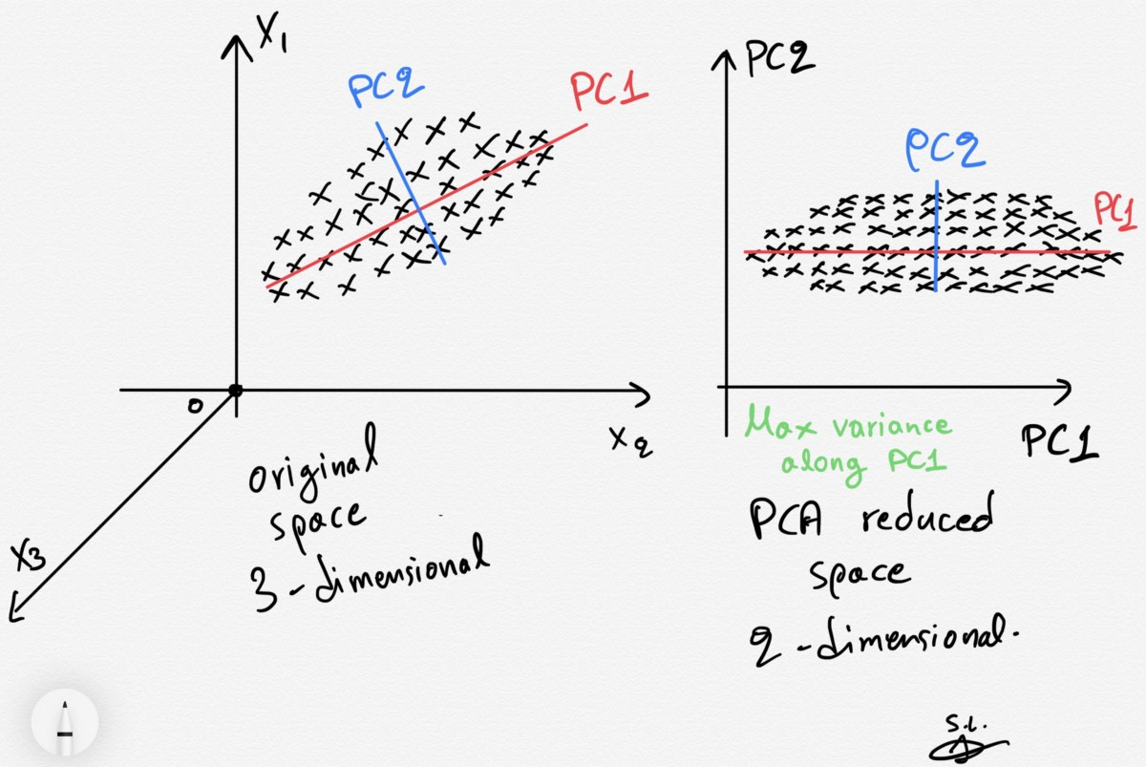
 | Subject 1 | Subject 2 | Subject 3
Weightage | 30% | 40% | 30%
Marks Scored / 100 | 90 | 85 | 95

 | (B6*B7) + (C6*C7) + (D6*D7)

 | Weighted Combination |  | 89.5

 | Number of Variables |  |  | = | Number of Principle Components

 | X1 | X2 | X3 |  | PC1 | PC2 | PC3
 |  |  |  |  |  |  |  | PC1 = | (a1 * X1) + (a2 * X2) + (a3 * X3)
 |  |  |  |  |  |  |  | PC2 = | (b1 * X1) + (b2 * X2) + (b3 * X3)
 |  |  |  |  |  |  |  | PC3 = | (c1 * X1) + (c2 * X2) + (c3 * X3)

 |  |  |  |  |  |  |  | Where
 |  |  |  |  |  |  |  |  | a, b, c are coefficients

IQR
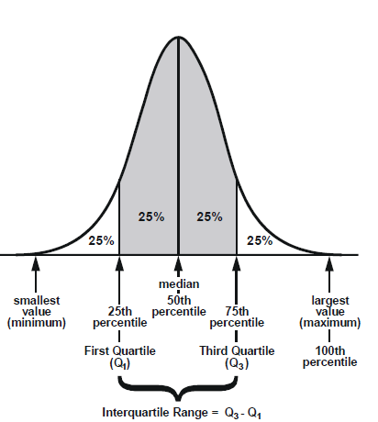

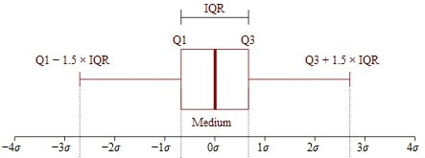

5% | 95%

